Descriptive Stats
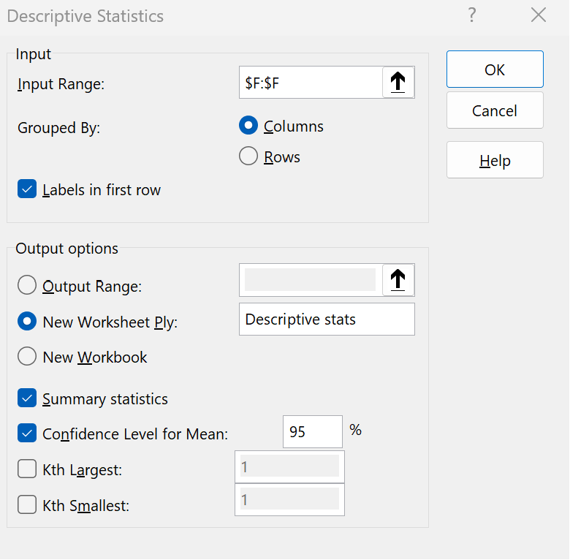
Healthy life expectancy

Mean | 0.72524358974
Standard Error | 0.019385434428
Median | 0.789
Mode | 0.999
Standard Deviation | 0.24212399841
Sample Variance | 0.058624030604
Kurtosis | -0.30289465675
Skewness | -0.61384057242
Range | 1.141
Minimum | 0
Maximum | 1.141
Sum | 113.138
Count | 156
Confidence Level(95.0%) | 0.0382937377

Histogram
Histogram
Row Labels | Count of Healthy life expectancy
0-0.1 | 1
0.1-0.2 | 3
0.2-0.3 | 5
0.3-0.4 | 10
0.4-0.5 | 15
0.5-0.6 | 13
0.6-0.7 | 11
0.7-0.8 | 23
0.8-0.9 | 39
0.9-1 | 17
1-1.1 | 17
1.1-1.2 | 2
Grand Total | 156

Scatter Plot
Scatter Plot
 | Healthy life expectancy
7.769 | 0.986
7.6 | 0.996
7.554 | 1.028
7.494 | 1.026
7.488 | 0.999
7.48 | 1.052
7.343 | 1.009
7.307 | 1.026
7.278 | 1.039
7.246 | 1.016
7.228 | 1.036
7.167 | 0.963
7.139 | 1.029
7.09 | 1.012
7.054 | 0.996
7.021 | 0.999
6.985 | 0.987
6.923 | 0.986
6.892 | 0.874
6.852 | 0.92
6.825 | 0.825
6.726 | 0.999
6.595 | 0.861
6.592 | 1.045
6.446 | 0.914
6.444 | 0.92
6.436 | 0.746
6.375 | 0.795
6.374 | 0.871
6.354 | 1.062
6.321 | 0.91
6.3 | 0.802
6.293 | 0.891
6.262 | 1.141
6.253 | 0.789
6.223 | 1.039
6.199 | 0.871
6.198 | 0.881
6.192 | 0.713
6.182 | 0.884
6.174 | 0.756
6.149 | 0.818
6.125 | 0.841
6.118 | 0.953
6.105 | 0.835
6.1 | 0.758
6.086 | 0.881
6.07 | 0.825
6.046 | 1.042
6.028 | 0.868
...

Regression Analysis
Regression Analysis
 | Healthy life expectancy
1.34 | 0.986
1.383 | 0.996
1.488 | 1.028
1.38 | 1.026
1.396 | 0.999
1.452 | 1.052
1.387 | 1.009
1.303 | 1.026
1.365 | 1.039
1.376 | 1.016
1.372 | 1.036
1.034 | 0.963
1.276 | 1.029
1.609 | 1.012
1.333 | 0.996
1.499 | 0.999
1.373 | 0.987
1.356 | 0.986
1.433 | 0.874
1.269 | 0.92
1.503 | 0.825
1.3 | 0.999
1.07 | 0.861
1.324 | 1.045
1.368 | 0.914
1.159 | 0.92
0.8 | 0.746
1.403 | 0.795
1.684 | 0.871
1.286 | 1.062
1.149 | 0.91
1.004 | 0.802
1.124 | 0.891
1.572 | 1.141
0.794 | 0.789
1.294 | 1.039
1.362 | 0.871
1.246 | 0.881
1.231 | 0.713
1.206 | 0.884
0.745 | 0.756
1.238 | 0.818
0.985 | 0.841
1.258 | 0.953
0.694 | 0.835
0.882 | 0.758
1.092 | 0.881
1.162 | 0.825
1.263 | 1.042
0.912 | 0.868
...

Regression
SUMMARY OUTPUT
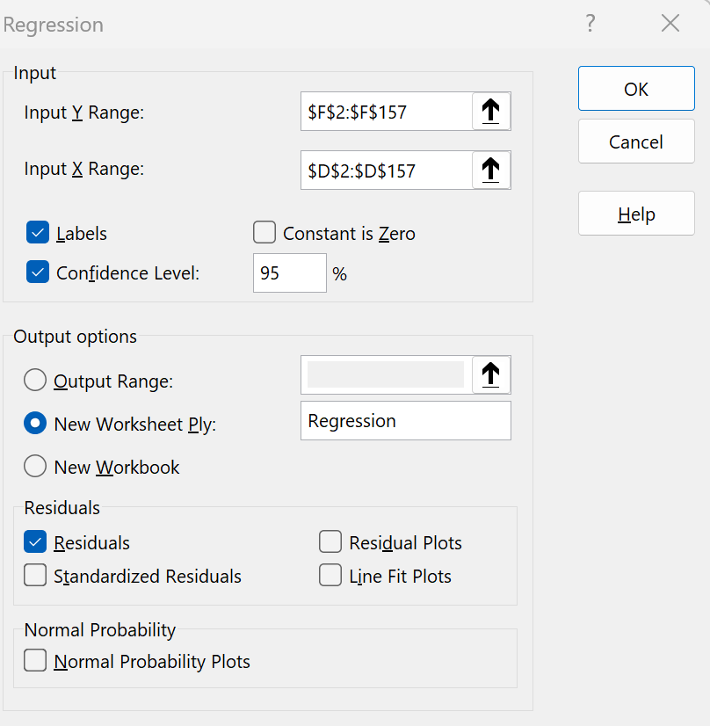
Regression Statistics
Multiple R | 0.83419712917
R Square | 0.69588485032
Adjusted R Square | 0.6938971696
Standard Error | 0.13388609129
Observations | 155

ANOVA
 | df | SS | MS | F | Significance F
Regression | 1 | 6.2756928953 | 6.2756928953 | 350.09890895 | 2.1817810378E-41
Residual | 153 | 2.7425992725 | 0.017925485441
Total | 154 | 9.0182921677

 | Coefficients | Standard Error | t Stat | P-value | Lower 95% | Upper 95% | Lower 95.0% | Upper 95.0%
Intercept | 0.2660364031 | 0.026712585904 | 9.9592156319 | 2.5382960894E-18 | 0.2132632771 | 0.3188095291 | 0.2132632771 | 0.3188095291
1.34 | 0.50704158726 | 0.027098684129 | 18.7109302 | 2.1817810378E-41 | 0.45350568934 | 0.56057748517 | 0.45350568934 | 0.56057748517

RESIDUAL OUTPUT

Observation | Predicted 0.986 | Residuals
1 | 0.96727491828 | 0.028725081716
2 | 1.0205142849 | 0.0074857150538
3 | 0.96575379352 | 0.060246206478
4 | 0.97386645892 | 0.025133541082
5 | 1.0022607878 | 0.049739212195
6 | 0.96930308463 | 0.039696915367
7 | 0.9267115913 | 0.099288408697
8 | 0.95814816971 | 0.080851830287
9 | 0.96372562717 | 0.052274372827
10 | 0.96169746082 | 0.074302539176
11 | 0.79031740433 | 0.17268259567
12 | 0.91302146845 | 0.11597853155
13 | 1.081866317 | -0.069866317005
14 | 0.94192283892 | 0.054077161079
15 | 1.0260917424 | -0.027091742406
16 | 0.96220450241 | 0.024795497589
17 | 0.95358479543 | 0.032415204572
18 | 0.99262699765 | -0.11862699765
19 | 0.90947217734 | 0.010527822664
20 | 1.0281199088 | -0.20311990876
21 | 0.92519046654 | 0.073809533459
22 | 0.80857090147 | 0.052429098528
23 | 0.93735946464 | 0.10764053536
24 | 0.95966929448 | -0.045669294475
25 | 0.85369760274 | 0.066302397262
26 | 0.67166967291 | 0.074330327088
27 | 0.97741575003 | -0.18241575003
28 | 1.119894436 | -0.24889443605
29 | 0.91809188432 | 0.14390811568
30 | 0.84862718687 | 0.061372813135
31 | 0.77510615671 | 0.026893843287
32 | 0.83595114718 | 0.055048852816
33 | 1.0631057783 | 0.077894221724
34 | 0.66862742339 | 0.12037257661
35 | 0.92214821702 | 0.11685178298
36 | 0.95662704495 | -0.085627044951
37 | 0.89781022083 | -0.016810220829
38 | 0.89020459702 | -0.17720459702
39 | 0.87752855734 | 0.006471442661
40 | 0.64378238561 | 0.11221761439
41 | 0.89375388813 | -0.075753888131
42 | 0.76547236655 | 0.075527633445
43 | 0.90389471988 | 0.049105280124
44 | 0.61792326466 | 0.21707673534
45 | 0.71324708307 | 0.044752916933
46 | 0.81972581639 | 0.061274183609
47 | 0.8552187275 | -0.0302187275
48 | 0.90642992781 | 0.13557007219
49 | 0.72845833068 | 0.13954166932
50 | 1.026598784 | -0.21859878399
51 | 0.79843006973 | 0.029569930273
52 | 0.86789476718 | -0.055894767181
53 | 0.92569750813 | 0.11030249187
54 | 0.89324684654 | -0.019246846544
55 | 0.68738796212 | 0.14361203788
56 | 0.83392298083 | -0.035922980835
57 | 0.9388805894 | 0.1491194106
58 | 0.59155710212 | 0.23644289788
59 | 0.86079618496 | -0.13179618496
60 | 0.65950067482 | 0.046499325183
61 | 0.8749933494 | -0.046993349403
62 | 0.69955696021 | 0.077443039789
63 | 0.90642992781 | 0.13557007219
64 | 0.75279632687 | 0.10120367313
65 | 0.88513418115 | 0.11386581885
66 | 0.60930355768 | -0.074303557679
67 | 0.86586660083 | -0.13986660083
68 | 0.67521896402 | -0.018218964022
69 | 0.77510615671 | 0.078893843287
70 | 0.61335989038 | 0.12564010962
71 | 0.7953878202 | -0.1223878202
72 | 0.79893711131 | 0.072062888686
73 | 0.51600790562 | 0.20199209438
74 | 0.85166943639 | 0.062330563611
75 | 0.99516220558 | 0.12683779442
76 | 0.78068361417 | -0.0016836141724
77 | 0.74519070306 | 0.099809296936
78 | 0.86586660083 | -0.057866600832
79 | 0.88513418115 | -0.057134181148
80 | 0.80704977671 | -0.01804977671
81 | 0.86485251766 | 0.13414748234
82 | 0.74671182783 | -0.079711827826
83 | 0.76445828338 | 0.07354171662
84 | 0.61893734784 | -0.37393734784
85 | 0.54541631768 | 0.17758368232
86 | 0.7994441529 | -0.1424441529
87 | 0.77409207354 | 0.010907926462
88 | 0.6721767145 | 0.1098232855
89 | 0.79488077862 | -0.025880778616
90 | 0.76648644973 | 0.048513550271
91 | 0.73809212084 | -0.078092120843
92 | 0.78778219639 | 0.10521780361
93 | 0.64175421926 | 0.20924578074
94 | 0.67826121355 | -0.074261213546
95 | 0.54440223451 | -0.21340223451
96 | 0.81972581639 | -0.0047258163914
97 | 0.57583881292 | -0.08983881292
98 | 0.55454306625 | -0.32254306625
99 | 0.49217695102 | 0.18482304898
100 | 0.69043021164 | 0.12456978836
101 | 0.4653037469 | -0.068303746897
102 | 0.60727539133 | -0.09927539133
103 | 0.80197936084 | -0.23097936084
104 | 0.65341617577 | -0.10241617577
105 | 0.75279632687 | -0.28379632687
106 | 0.74620478624 | 0.12779521376
107 | 0.75279632687 | 0.052203673127
108 | 0.55707827419 | 0.079921725809
109 | 0.59916272593 | 0.072837274066
110 | 0.49420511737 | 0.076794882629
111 | 0.2660364031 | 0.001963596896
112 | 0.71172595831 | -0.23472595831
113 | 0.33600814215 | 0.029991857854
114 | 0.43386716849 | -0.053867168487
115 | 0.69702175227 | 0.11797824773
116 | 0.82378214909 | -0.038782149089
117 | 0.45871220626 | -0.083712206263
118 | 0.71527524942 | 0.036724750584
119 | 0.42220521198 | 0.0057947880201
120 | 0.52564169578 | 0.055358304219
121 | 0.55505010784 | -0.066050107842
122 | 0.3694728869 | 0.020527113095
123 | 0.73302170497 | 0.08197829503
124 | 0.55099377514 | 0.17200622486
125 | 0.79488077862 | -0.22088077862
126 | 0.31369831231 | 0.043301687694
127 | 0.4612474142 | -0.1532474142
128 | 0.40192354849 | -0.15992354849
129 | 0.74721886941 | 0.083781130587
130 | 0.62603593006 | -0.071035930058
131 | 0.44350095864 | -0.25150095864
132 | 0.68181050466 | 0.057189495343
133 | 0.43640237642 | 0.095597623577
134 | 0.67724713037 | -0.67724713037
135 | 0.43437421007 | 0.0086257899258
136 | 0.72896537227 | -0.084965372272
137 | 0.55910644054 | -0.13310644054
138 | 0.4054728396 | 0.0045271603996
139 | 0.64885280148 | -0.060852801485
140 | 0.30305043897 | 0.13994956103
141 | 0.40496579801 | 0.10003420199
142 | 0.40496579801 | 0.15003420199
143 | 0.51397973927 | -0.34597973927
144 | 0.28936031612 | 0.090639683882
145 | 0.45161362404 | -0.018613624041
146 | 0.42981083579 | 0.019189164211
147 | 0.79386669544 | -0.25586669544
148 | 0.57989514562 | -0.13989514562
149 | 0.36288134627 | 0.13211865373
150 | 0.41155733865 | 0.051442661353
151 | 0.44806433293 | 0.16593566707
152 | 0.50738819864 | -0.0083881986395
153 | 0.44350095864 | -0.082500958645
154 | 0.27921948437 | -0.17421948437
155 | 0.42119112881 | -0.12619112881

